INSTRUCTIONS
Review the list of instructions below to understand how to use this spreadsheet.
General Instructions
1 | For important notes embedded in Scope_Budget and Optional Budget Data tab spreadsheets, hover over cells with red triangle in top right of cell.
2 | For both Scope_Budget tab and Optional Budget Data tab (if using), add your municipality and project title to the top.
3 | In Scope_Budget and Optional Budget Data tab spreadsheets, yellow cells are for user input. Green, blue, and orange cells contain formulas and should not be altered. | 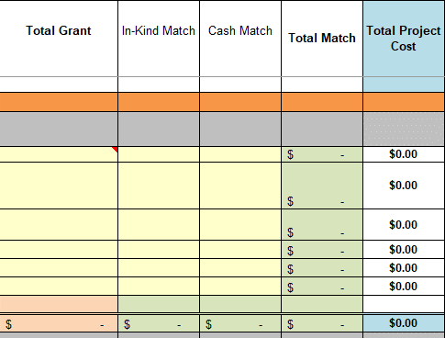
Scope_Budget Tab Instructions
1 | Determine if it is a viable option to fill out the spreadsheet in the Optional Budget Data tab. Inputs include project team hours and direct costs. If yes, see instructions for filling out that tab in the "Optional Budget Data Tab Instructions" below. The optional budget data tab can be used to: 1) Calculate grant and match for project team hours and direct costs; and/or 2) provide space to further justify funding requests for specific tasks by providing greater detail on level of effort. You may also use another format to provide greater detail on these items (e.g., a quote from a vendor or a differently formatted spreadsheet), but remember to include this with the application. | 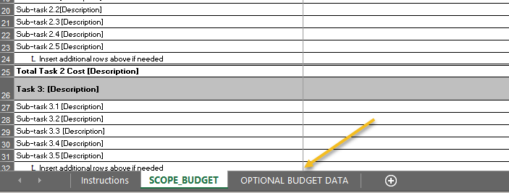
2 | Do not delete Task 1: Project Kick-off, Management, and Reporting, and Task 2: Public Involvement and Community Engagement. If project extends into a second fiscal year, do not delete Task 11 (Project Management and Reporting) or Task 12 (Engagement). These tasks may need to be renumbered, see 3 below. Add any relevant additional sub-tasks to these tasks. | 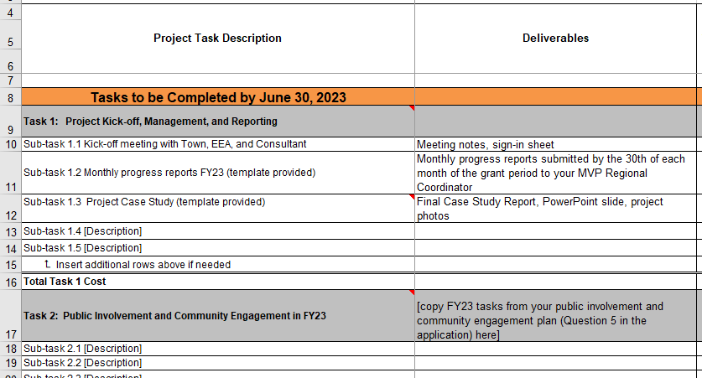
3 | Fill out task list and add relevant sub-tasks, deliverabes, and start and end dates for each sub-task. Deliverables should be tangible-- i.e., you can submit them to the MVP team to verify completion of the sub-task.
 | a. If more than the provided 5 subtasks are needed, insert additional rows by copying the whole row and click "insert copied cells" to keep formulas intact. | 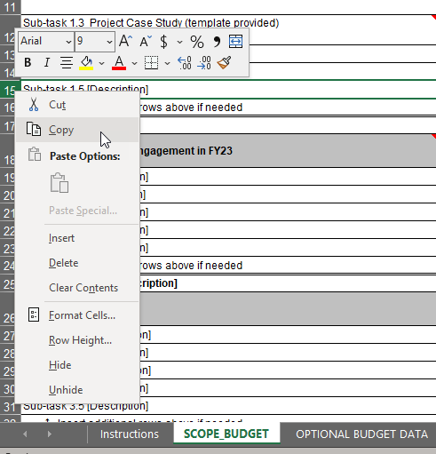 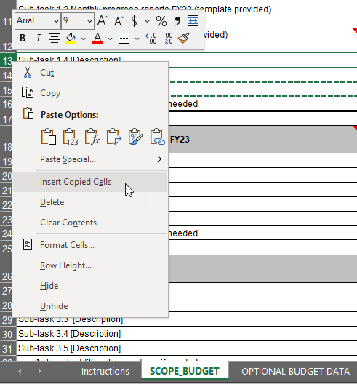
 | b. If fewer than the provided 5 subtasks are needed, delete extra rows by selecting the whole row and click "Delete" to keep formulas intact. | 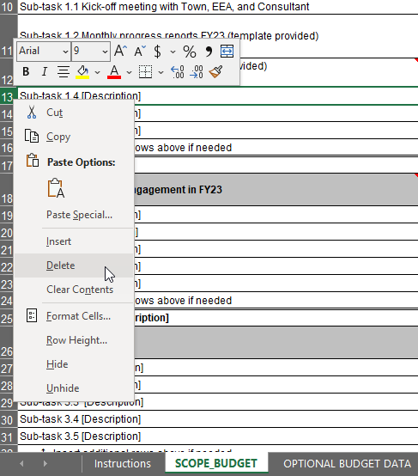
 | c. Add approximate start and end dates for each subtask.
 | d. Fill in Total Grant (Column E), In-Kind Match (Column F), and Cash Match (Column G) columns for each sub-task. These cells are yellow. Do not enter values into other cells (orange or green) as those are calculated cells. | 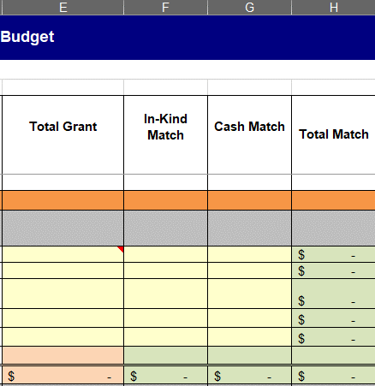
4 | A total of 20 Tasks have been provided. Not all tasks must be used. Fill in your tasks and sub-tasks as required by the project. If not all tasks are used, the task can be hidden by selecting all the rows in the task, right click, hide. If a two-year project and all tasks are not used within the first fiscal year, you will need to update task numbering for the next fiscal year as it currently starts at Task 11. Note: Make sure Total Task Cost for the task being hidden is equal to zero ($0.00). | 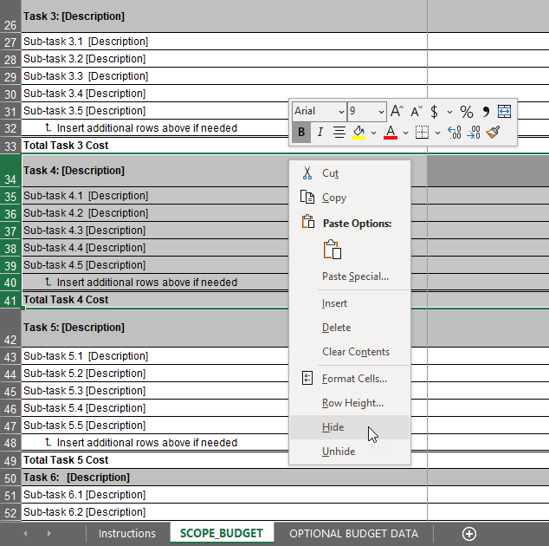 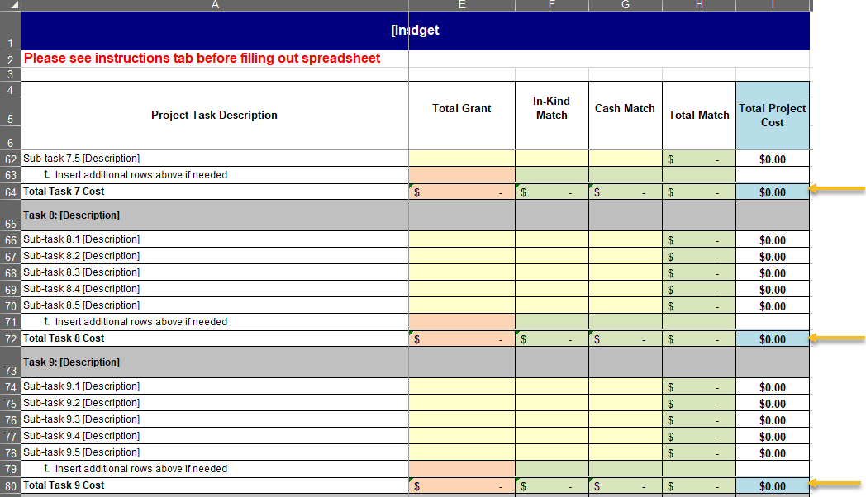
5 | For construction projects only: Input a contingency percentage at the location shown in the red box to the right. Enter a contingency percentange from 5 to 15%, and the dollar amount will automatically calculate. This construction contingency should be reserved to pay for additional or unexpected costs that may occur over the life of a construction project due to items such as weather delays or higher labor and equipment costs. There is a line item for contingency for each fiscal year, so if your project spans two fiscal years make sure you add contingency for any fiscal year in which construction will occur. If this calculator does not work for your specific budgeting circumstances, feel free to add the contingency as a separate line item in a particular task instead of using this calculator.
6 | When the budget is complete the match calculator at the bottom will indicate the total match %. Match is at least 25.00% of total project cost, unless the lead community is listed in Attachment N of the RFR, in which case match should be at least 10.00% of total project cost.
7 | Quality Control (QC) Checks. Before submission, verify sum of all tasks is equal to total project cost per Fiscal Year. This is to verify formulas have not been broken by adding/deleting tasks. A list of other recommended QC checks is included in the QC checklist document attached as a separate file with the RFR on Commbuys. | 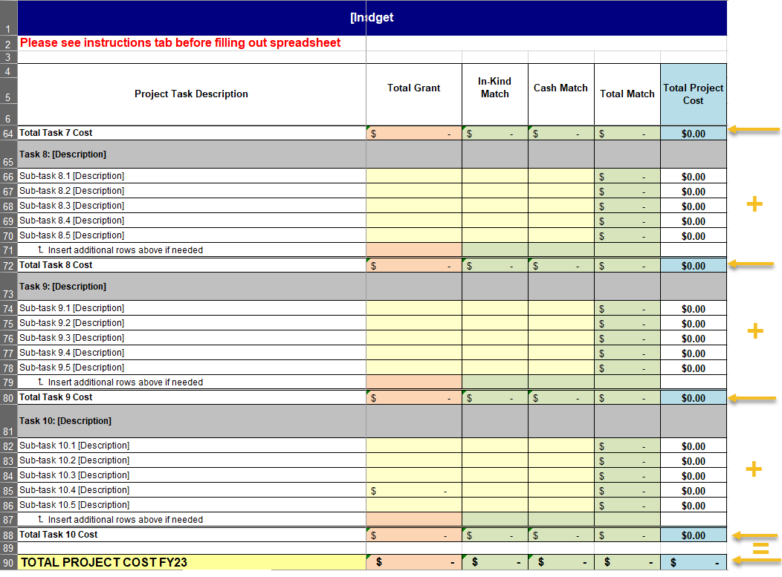
Optional Budget Data Tab Instructions
1 | Start by performing the same steps above for the Scope_Budget spreadsheet to ensure the tasks and sub-tasks are the same for both sheets.
2 | Fill out the Optional Grant Detail section, including Position/Title, hourly rate, and expected hours for each subtask. Note: The yellow cells are the only cells that should be filled out. | 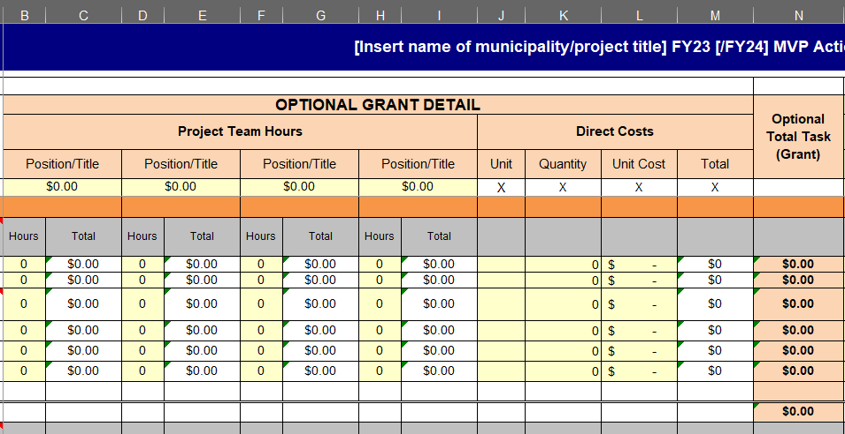
3 | Fill out the Optional Match Detail section, including Position/Title, hourly rate, and expected hours for each sub-task. Note: The yellow cells are the cells that should be filled out. When determining in-kind match for municipal staff time, you may include fringe benefits when calculating the hourly rate that goes into the cells outlined in red to the right. See the "tips" tab for more information on fringe benefits. | 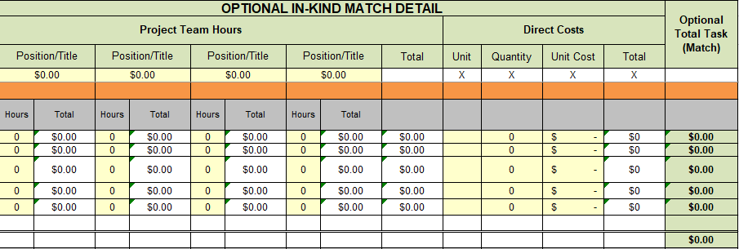
4 | Once "Optional Budget Data" spreadsheet has been completed, copy and paste values by task in "Scope_Budget" sheet. Columns N (Optional Total Task (Grant)) and AB (Optional Total Task (Match)) in Optional Budget Data copy to Columns E (Total Grant) and F (In-Kind Match) respectively in Scope_Budget. Also copy over the contingency rate/amounts if construction project. Go through the Scope_Budget tab instructions above to make sure that required tab is completely filled out. The task list should be the same on both tabs. | 